Valuation Football Field
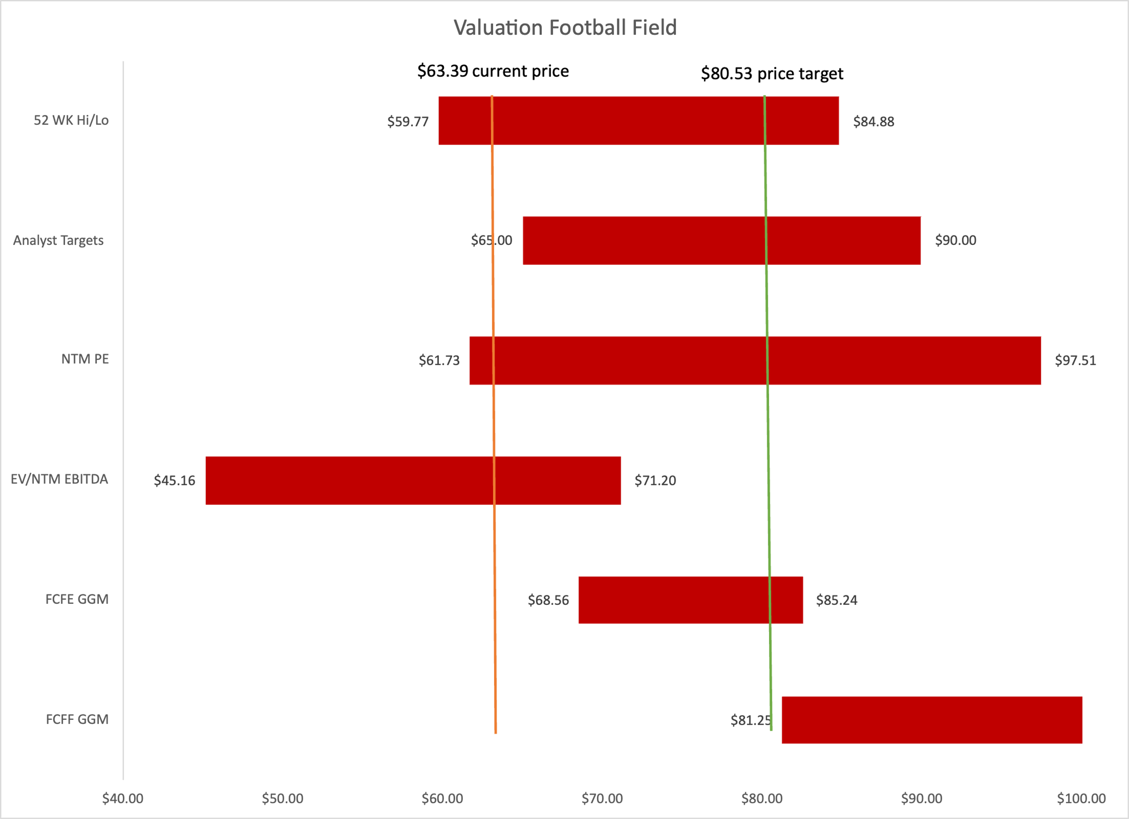
Valuation Football Field

 | L |  | H
FCFF GGM | $81.25 | $41.81 | $123.06
FCFE GGM | $68.56 | $14.00 | $85.24
EV/NTM EBITDA | $45.16 | $26.04 | $71.20
NTM PE | $61.73 | $35.78 | $97.51
Analyst Targets | $65.00 | $25.00 | $90.00
52 WK Hi/Lo | $59.77 | $25.11 | $84.88

Estimates in CAGR
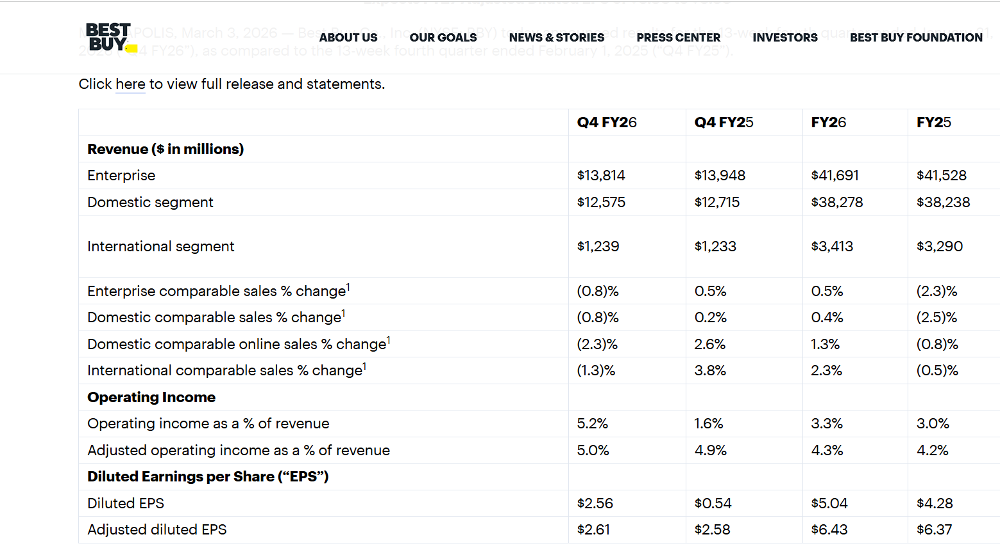
Forward looking estimates as CAGR

 | 2026A | 2027E | 2028E | 3-y CAGR | 5-y CAGR
Sales ($mm) | 41,691 | 41,856 | 46,310 | 3.56% | 1.97%
EPS | 5.08 | 6.52 | 7.08 | 11.72% | 9.63% | this is diluted eps
P/E | 12.48 | 13.28 | 12.22 | - | -

Price | $63 | $87 | $87

Charts
Operating Margin Journey
 | Base Case | Bear Case
 | 5.6% | 5.6%
 | 5.8% | 5.8%
 | 4.2% | 4.2%
 | 4.0% | 4.0%
 | 4.2% | 4.2%
 | 4.2% | 4.2%
 | 4.3% | 2.3%
 | 4.6% | 2.6%
 | 4.9% | 2.9%
 | 5.1% | 3.1%
 | 5.3% | 3.3%

Best Buy Revenue by Segment ($M)
 | Computing & Mobile | Consumer Electronics | Appliances | Entertainment | Services | Others
 | 22,478 | 16,203 | 7,167 | 3,275 | 2,380 | 258
 | 19,766 | 14,094 | 6,736 | 3,053 | 2,332 | 317
 | 18,482 | 12,969 | 5,804 | 3,363 | 2,530 | 304
 | 18,681 | 12,065 | 4,910 | 2,908 | 2,631 | 333
 | 19,714 | 11,460 | 4,469 | 3,092 | 2,656 | 300
 | 20,108 | 11,231 | 4,246 | 3,185 | 2,762 | 324
 | 20,913 | 11,399 | 4,246 | 3,264 | 2,900 | 356
 | 21,540 | 11,627 | 4,352 | 3,330 | 3,045 | 385
 | 21,971 | 11,860 | 4,482 | 3,396 | 3,167 | 408
 | 22,410 | 12,097 | 4,617 | 3,464 | 3,294 | 428

Sum-of-the-Parts Value Bridge ($)
Current Market Price | $0.00 | $63.39 | $0.00
BBY Ads Platform (+$11.9) | $63.39 | $0.00 | $11.90
Services / Totaltech (+$6.5) | $75.29 | $0.00 | $6.50
Op. Leverage & Margin Exp. | $81.79 | $0.00 | $15.51
DCF Base Target | $0.00 | $97.30 | $0.00

Segment Mix Evolution (% of Revenue)
 | 43.4% | 31.3% | 13.8% | 6.3% | 4.6% | 0.5%
 | 47.3% | 27.5% | 10.7% | 7.4% | 6.4% | 0.7%
 | 48.4% | 26.1% | 10.0% | 7.5% | 7.1% | 0.9%

EPS Trajectory: Base vs. Bear Case
 | Base Case EPS | Bear Case EPS
 | $6.31 | $6.31
 | $7.52 | $7.52
 | $5.36 | $5.36
 | $5.02 | $5.02
 | $5.12 | $5.12
 | $5.29 | $5.29
 | $6.51 | $3.38
 | $7.17 | $3.87
 | $7.85 | $4.39
 | $8.36 | $4.80
 | $8.88 | $5.22

Domestic SSS Growth % & Revenue per Store ($M)
 | Domestic SSS% | Revenue per Store
 | 9.2% | 43.3
 | 11.0% | 48.4
 | -10.3% | 43.6
 | -7.1% | 41.3
 | -2.5% | 39.8
 | 0.4% | 40.7
 | 1.0% | 42.1
 | 1.5% | 43.3
 | 2.0% | 44.7
 | 2.0% | 46.2
 | 2.0% | 47.6
Football Field Valuation | Current Price: $63.39
 | _invisible | Valuation Range
 | 62 | $34.00
 | 50 | $26.00
 | 81 | $42.00
 | 62.37 | $27.63
 | 62.87 | $25.30

Chart 5 | DCF GGM Sensitivity — Implied Share Price ($)
Base case: WACC 10.5% | TGR 2.0% | Current Price: $63.39

TGR \ WACC | 9.5% | 10.0% | 10.5% | 11.0% | 11.5%
1.0% | $99.95 | $94.46 | $89.57 | $85.19 | $81.25
1.5% | $104.64 | $98.56 | $93.17 | $88.38 | $84.08
2.0% | $109.96 | $103.17 | $97.20 | $91.91 | $87.20
2.5% | $116.04 | $108.39 | $101.72 | $95.86 | $90.68
3.0% | $123.06 | $114.36 | $106.85 | $100.31 | $94.56

